Contents
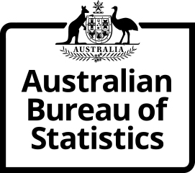
Time Series Workbook

6224.0.55.001 Labour Force Status of Families
Table 9. Families by characteristics of parents and age of youngest dependent child
Released at 11:30 am (Canberra time) Tue 18 Oct 2022

Contents
Tables
9.1 | Table 9.1 - June 2022
9.2 | Table 9.2 - Time Series IDs
Index | Time Series Index

More information available from the ABS website

Labour Force Status of Families, Jun 2022
Summary
Methodology

E N Q U I R I E S
For further information about these and related statistics visit www.abs.gov.au/about/contact-us
or contact the Labour Surveys Branch at labour.statistics@abs.gov.au.

© Commonwealth of Australia 2022

